Todos os produtos
Achadinhos Fábricas Chinesas
Use o botão para selecionar a marca👉
Nome dos Itens | Link | Foto | Preço | Marca | Categoria
Adidas Gazelle Indoor | LINK | 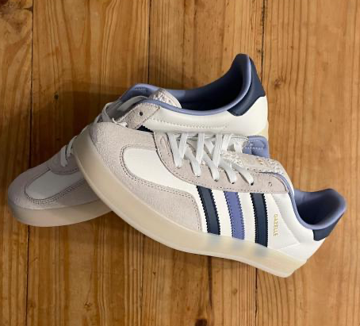 | 119 yuans | Adidas | Sapatos
Camisetas moda Street | LINK | 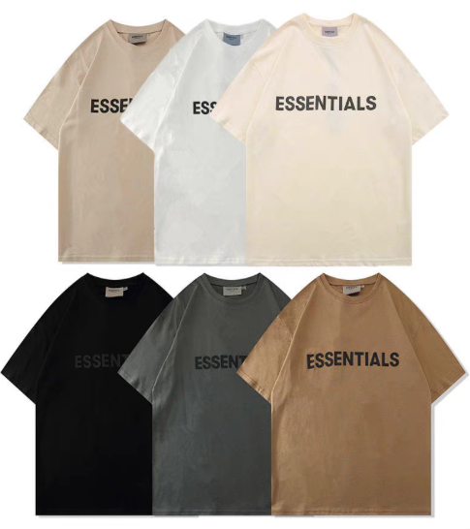 | 87 yuans | essentials | Roupas
Jaqueta LV Azul | LINK | 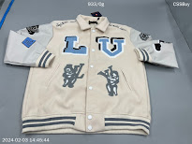 | 199 yuans | Louis Vuitton | Roupas
Boné Balenciaga | LINK | 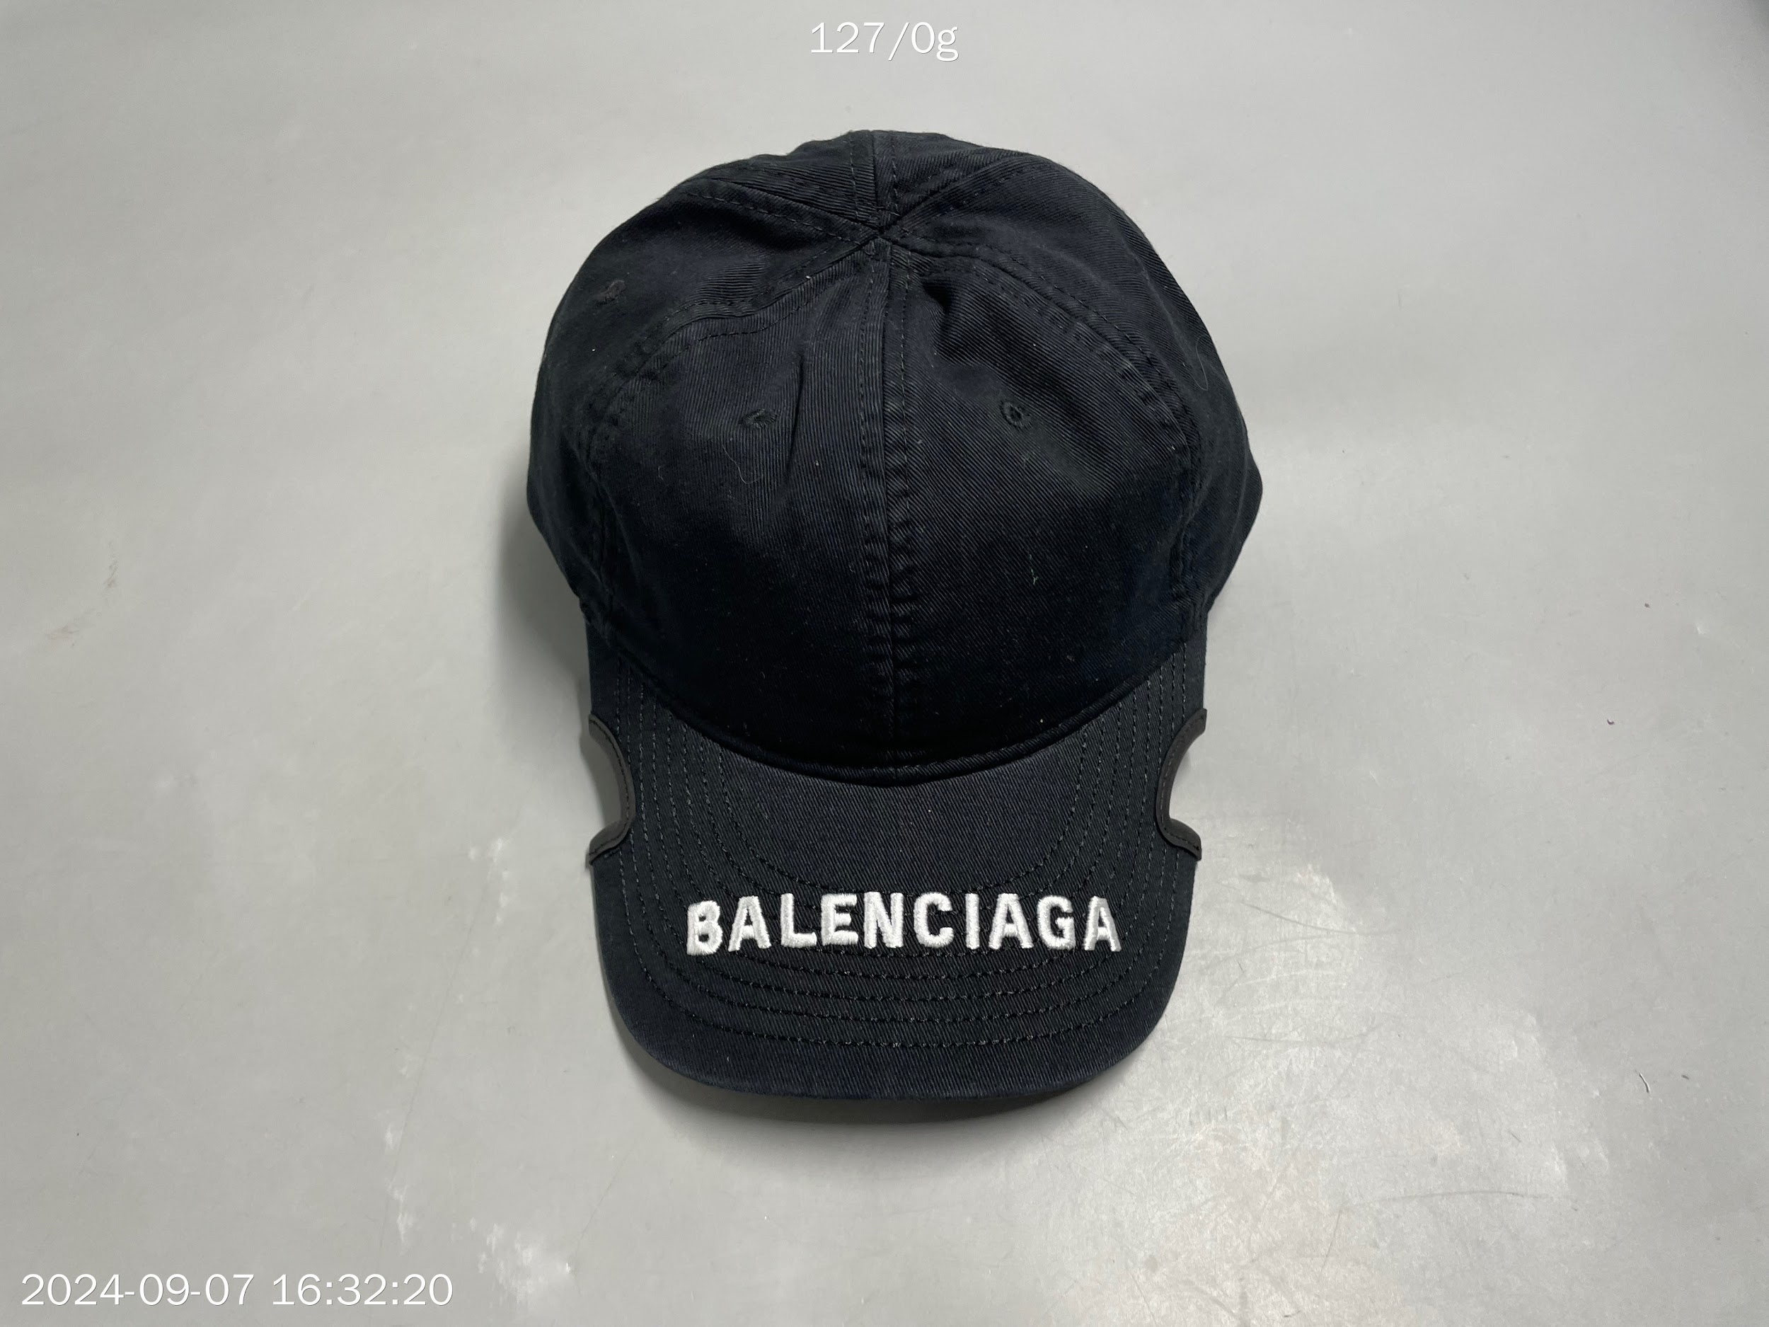 | 75 yuans | Balenciaga | Roupas
Short Balenciaga | LINK | 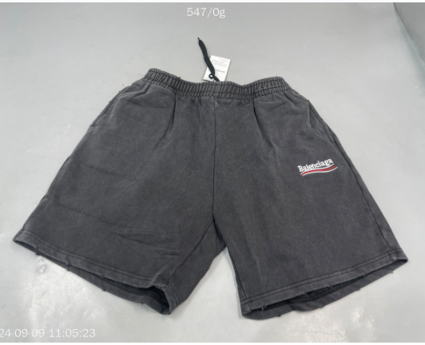 | 148 yuans | Balenciaga | Roupas
Jaqueta LV JEANZ | LINK | 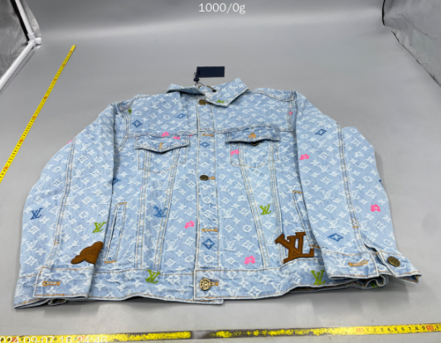 | 278 yuans | Louis Vuitton | Roupas
Sandália Hemès | LINK | 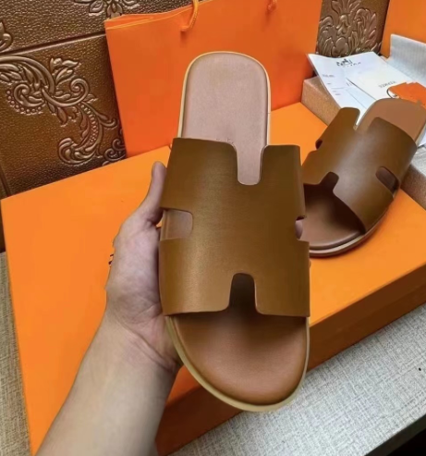 | 168 yuans | Hermes | Sapatos
Tênis SainTs Laurent Old Money | LINK | 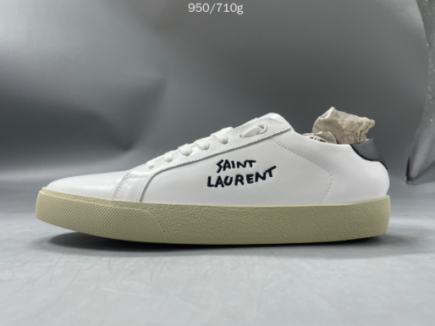 | 599 yuans | Saint Laurent | Satatos
Sapato Loro Piana Summer Charms Walk Loafers | LINK | #REF! | 120 yuans | Loro Piana | Sapatos
Loro Piana Summer Walk Loafers | LINK | #REF! | 170 yuans | Loro Piana | Sapatos
Conjunto Casablanca Wavy Gradient Crochet | LINK | #REF! | Camisa - 55 Yuans Shorts - 52 Yuans | Casablanca | Roupas
Pulseira Van Cleef | LINK | #REF! | 18 Yuans | Van Cleef | Acessórios
Colar Van Cleef | LINK | #REF! | 95 Yuans | Van Cleef | Acessórios
Crocs Relampago McQueen | LINK | #REF! | 45 yuans | Crocs | Sapatos
Casablanca Avenida T-Shirt | LINK | #REF! | 85 yuans | Casablanca | Roupas
Bermuda Moletom Lacoste | LINK | #REF! | 128 yuans | Lacoste | Roupas
Moletom LV | LINK | #REF! | 165 yuans | Louis Vuitton | Roupas
Calça Gucci | LINK | #REF! | 188 yuans | Gucci | Roupas
Jaqueta Gucci | LINK | #REF! | 188 Yuans | Gucci | Roupas
Camiseta Lacoste | LINK | #REF! | 115 Yuans | Lacoste | Roupas
Jersey Bulls | LINK | #REF! | 68 yuans | NBA | Roupas
Short Denim Tears | LINK | #REF! | 108 yuans | Denim Tears | Roupas
Camiseta Gallery Dept | LINK | #REF! | 43 yuans | Gallery Dept | Roupas
Caixa Patek Philippe | LINK | #REF! | 260 Yuans | Patek Philippe | Acessórios
Jaqueta Zara | LINK | #REF! | 190 Yuans | ZARA | Roupas
Cartier Panthère | LINK | #REF! | 350 Yuans | Cartier | Acessórios
Patek Philippe Nautilus | LINK | #REF! | 460 Yuans | Patek Philippe | Acessórios
Rolex Date Just | LINK | #REF! | 268 Yuans | Rolex | Acessórios
Rolex Daytona | LINK | #REF! | 320 Yuans | Rolex | Acessórios
Rolex Yatch Master | LINK | #REF! | 290 Yuans | Rolex | Acessórios
Rolex Sky-Dweller | LINK | #REF! | 260 Yuans | Rolex | Acessórios
Porta Cartão Gouyard | LINK | #REF! | 35 Yuans | Gouyard | Shoes
Capa iPhone The North Face | LINK | #REF! | 8,99 Yuans | The North Face | Acessórios
Óculos Tony Stark | LINK | #REF! | 6,50 Yuans | Balenciaga | Acessórios
CREED Silver Mountain Spring | LINK | #REF! | 150 Yuans | CREED | Acessórios
Rolex GMT Master II | LINK | #REF! | 398 Yuans | Rolex | Acessórios
Rolex Datejust Celebration Bubble | LINK | #REF! | 260 Yuans | Rolex | Acessórios
Air Jordan Low Travis Scott | LINK | #REF! | 340 Yuans | Nike | Sapatos
Mochila Multifuncional a Vacuo | LINK | #REF! | 228 Yuans |  | Bolsas
Óculos de Sol Off White | LINK | #REF! | 248 Yuans | Off White | Acessórios
Tênis LV Trainer | LINK | #REF! | 289 Yuans | Louis Vuitton | Sapatos
Reator ARC Homem de Ferro | LINK | #REF! | 125 Yuans |  | Acessórios
LEGO Speed Series 76919 McLaren F1 | LINK | #REF! | 162 Yuans | LEGO | Acessórios
Audemars Piguet Royal Oak | LINK | #REF! | 26 Yuans | Audemars Piguet | Acessórios
Marshall Emberton I Bluetooth Speaker | LINK | #REF! | 145 Yuans | Marshall | Acessórios
Carrinho de Compras | LINK | #REF! | 49,90 Yuans |  | Acessórios
Miniatura Rolls Royce | LINK | #REF! | 38 Yuans |  | Miniaturas
Máscara Homem Aranha | LINK | #REF! | 18,50 Yuans |  | Acessórios
Calça Moletom Essentials | LINK | #REF! | 88 Yuans | Essentials | Roupas
LEGO Porsche 911GT3 | LINK | #REF! | 268 Yuans | LEGO | Acessórios
Miniatura Porsche 911 | LINK | #REF! | 95.06 Yuans |  | Miniaturas
LEGO Technic Ferrari | LINK | #REF! | 219 Yuans | LEGO | Acessórios
LEGO Lamborghini | LINK | #REF! | 258 Yuans | LEGO | Acessórios
Powerbank | LINK | #REF! | 116 Yuans |  | Acessórios
Capa iPhone RIMOWA | LINK | #REF! | 88 Yuans | RIMOWA | Acessórios
Conjunto Casablanca (Várias Opções) | LINK | #REF! | 140 Yuans | Casablanca | Shoes
Action Figure Dragon Ball Z (Vários personagens) | LINK | #REF! | 22.80 Yuans |  | Action Figure
Rolex Submariner | LINK | #REF! | 22 Yuans | Rolex | Acessórios
Carrinhos Hotweels | LINK | #REF! | 7.9 yuans | Hotweels | Miniaturas
Luva de Box Supreme | LINK | #REF! | 97 Yuans | Supreme | Acessórios
Garrafa Stanley | LINK | #REF! | 38 Yuans | Stanley | Acessórios
Camiseta Palm Angels | LINK | #REF! | 52 Yuans | Palm Angels | Roupas
LEGO BMW M 1000 RR | LINK | #REF! | 65 Yuans | LEGO | Miniaturas
Nave Espacial Supreme Inflável | LINK | #REF! | 8 Yuans | Supreme | Acessórios
Short Essentials | LINK | #REF! | 63 Yuans | Essentials | Roupas
Camiseta Off White | LINK | #REF! | 48 Yuans | Off White | Roupas
Camiseta Off White | LINK | #REF! | 50 Yuans | Off White | Roupas
Camisa Neymar Al-hilal | LINK | #REF! | 32 yuans |  | Roupas
Boné LA Dodgers | LINK | #REF! | 15 Yuans | LA | Acessórios
Short Polo Ralph Lauren | LINK | #REF! | 58 Yuans | Polo Ralph Lauren | Roupas
Capa iPhone PRADA | LINK | #REF! | 10 Yuans | Prada | Acessórios
Air Pods Pro 2 | LINK | #REF! | 83 Yuans | Apple | Acessórios

